dashboard
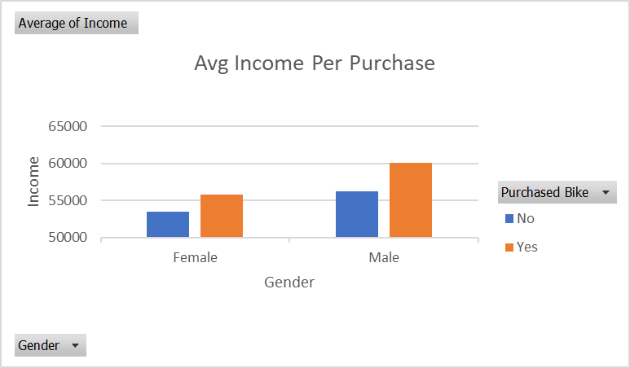
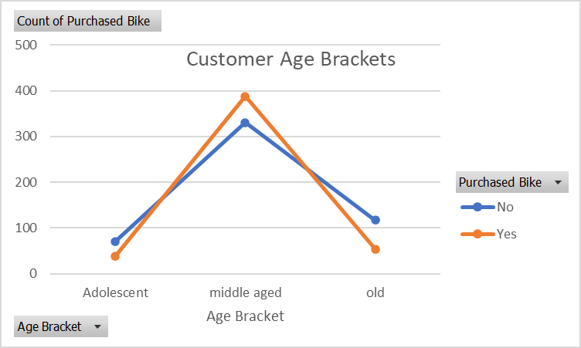
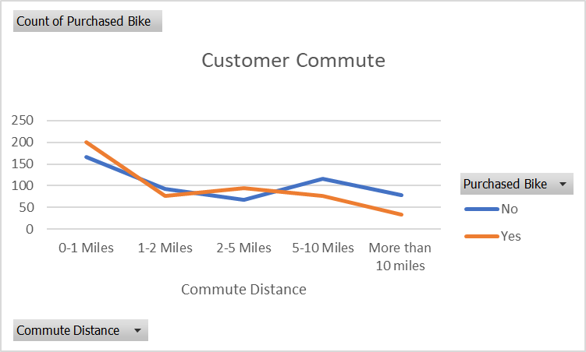
Bike Sales Dashboard

Dashboard1
Bike Sales Dashboard

Avg Income Per Purchase
 | No | Yes
Female | 54885.496183 | 59259
Male | 59431.818182 | 61301
Customer Age Brackets
 | No | Yes
Adolescent | 3 | 18
middle aged | 57 | 81
old | 19 | 14

Customer Commute
 | No | Yes
0-1 Miles | 166 | 200
1-2 Miles | 92 | 77
2-5 Miles | 67 | 95
5-10 Miles | 116 | 76
More than 10 miles | 78 | 33

pivot table
Avg Income Per Purchase

Average of Income | Column Labels
Row Labels | No | Yes | Grand Total
Female | 54885.496183 | 59259 | 56862
Male | 59432 | 61301 | 60201
Grand Total | 57492 | 60346 | 58717.472119

Customer Commute

 |  | Count of Purchased Bike | Column Labels
 |  | Row Labels | No | Yes | Grand Total
 |  | 0-1 Miles | 166 | 200 | 366
 |  | 1-2 Miles | 92 | 77 | 169
 |  | 2-5 Miles | 67 | 95 | 162
 |  | 5-10 Miles | 116 | 76 | 192
 |  | More than 10 miles | 78 | 33 | 111
 |  | Grand Total | 519 | 481 | 1000

Customer Age Brackets

 |  |  | Count of Purchased Bike | Column Labels
 |  |  | Row Labels | No | Yes | Grand Total
 |  |  | Adolescent | 3 | 18 | 21
 |  |  | middle aged | 57 | 81 | 138
 |  |  | old | 19 | 14 | 33
 |  |  | Grand Total | 79 | 113 | 192

